Sheet1
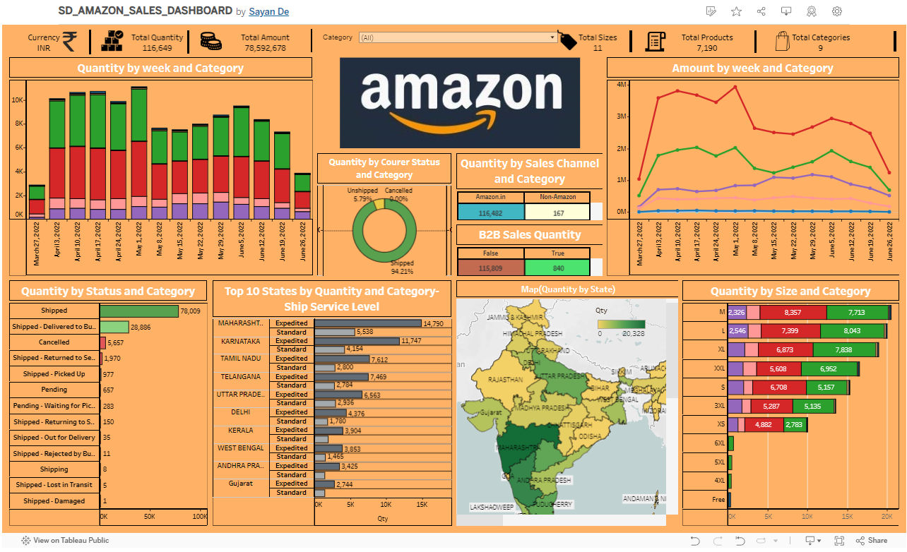
 | https://www.kaggle.com/datasets/thedevastator/unlock-profits-with-e-commerce-sales-data
Dataset Link Kaggle
TABLEAU PUBLIC LINK | https://public.tableau.com/app/profile/sayan.de4649/viz/SD_AMAZON_SALES_DASHBOARD/Dashboard

